Charts
Charts

 | Excel has an extensive array of chart options, accessible via INSERT>CHARTS
 |  | Replicate what you see in the screenshots below
 |  | Tip: To snap chart to the grid (to cell), click on the chart, press Alt+drag cursor to edge of snap cell(s) [vertical and/or horizontal alignment with column and row edges).

 | Line charts

 |  |  | Income Statement | 2018A | 2019A | 2020A | 2021A | 2022A
 |  |  | Sales | 12,005,769 | 13,206,346 | 17,168,250 | 16,481,520 | 18,129,672
 |  |  | EBITDA | 6,603,173 | 6,603,173 | 8,069,077 | 9,724,097 | 13,597,254

 |  |  | Chart here |  |  |  |  |  |  | Chart here

 | Value distribution charts (pie chart)

 |  | Widgets sector: Market share
 |  | Sector | Sales ($MM)
 |  | Company A | 366.1 |  |  | Chart here |  |  |  |  |  |  | Chart here
 |  | Company B | 183.3
 |  | Company C | 403.3
 |  | Company D | 651.9
 |  | Company E | 93.7
 |  | Others | 67.4
 |  | Total | 1,765.7

 | Bar charts

 |  |  | Sales by product range: Historical & Forecast ($MM)
 |  |  | Product ranges | 2018A | 2019A | 2020A | 2021A | 2022A
 |  |  | Product 1 | 6,002,885 | 5,282,538 | 7,725,713 | 10,383,358 | 13,959,847
 |  |  | Product 2 | 3,301,587 | 2,641,269 | 3,631,085 | 6,126,181 | 10,469,886
 |  |  | Product 3 | 2,701,298 | 1,901,714 | 3,128,914 | 5,887,364 | 9,674,174
 |  |  | Product 4 | 1,650,793 | 1,056,508 | 1,633,988 | 3,859,494 | 8,061,812
 |  |  | Total | 13,656,562 | 10,882,029 | 16,119,699 | 26,256,397 | 42,165,719
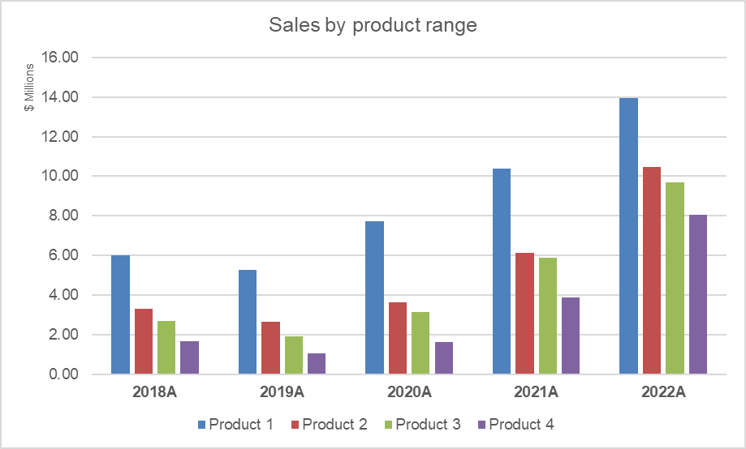

 |  |  | Chart here

 | Stacked bar charts (values and percentages)

 |  | Stacked bars - Vertical
 |  | Sales by product range: Historical & Forecast ($MM)

 |  | Product ranges | 2018A | 2019A | 2020A | 2021A | 2022A
 |  | Product 1 | 6,002,885 | 5,282,538 | 7,725,713 | 10,383,358 | 13,959,847
 |  | Product 2 | 3,301,587 | 2,641,269 | 3,631,085 | 6,126,181 | 10,469,886
 |  | Product 3 | 2,701,298 | 1,901,714 | 3,128,914 | 5,887,364 | 9,674,174
 |  | Product 4 | 1,650,793 | 1,056,508 | 1,633,988 | 3,859,494 | 8,061,812
 |  | Total | 13,656,562 | 10,882,029 | 16,119,699 | 26,256,397 | 42,165,719

 |  |  | Chart here |  |  |  |  |  |  |  | Chart here

 |  | Stacked bars - Horizontal
 |  | Monthly Operating Profit/(Loss) ($MM)

 |  | Month | Americas | Europe | MEA | Asia
 |  | Jan | 8.9 | 9.4 | 5.5 | 6.2
 |  | Feb | 6.9 | 9.9 | 8.0 | 4.1
 |  | Mar | 8.6 | 6.0 | 9.0 | 7.4
 |  | Apr | 2.4 | 0.8 | 0.3 | 2.1
 |  | May | 8.7 | 0.4 | 12.0 | 8.2
 |  | Jun | 3.9 | 8.0 | 1.0 | 1.6
 |  | Jul | 1.4 | 10.2 | 9.7 | 10.1
 |  | Aug | 11.8 | 9.3 | 8.7 | 8.2
 |  | Sep | 2.4 | 9.0 | 7.5 | 4.5
 |  | Oct | 5.8 | 9.7 | 7.9 | 6.5
 |  | Nov | 3.6 | 2.3 | 9.2 | 1.4
 |  | Dec | 8.4 | 9.3 | 9.4 | 4.4

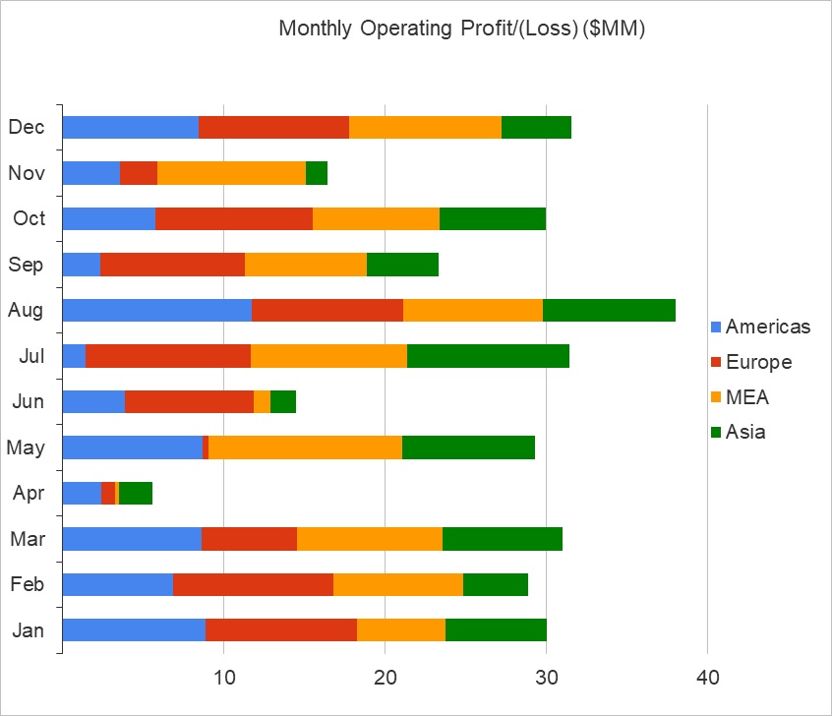
 |  |  | Chart here

 | 2 axis charts

 |  |  | Income Statement |  | 2015A | 2016A | 2017A | 2018A | 2019A | 2020A | 2021A | 2022A

 |  |  | Sales Volume (000's units) |  | 301.9 | 327.5 | 344.5 | 361.7 | 376.1 | 391.2 | 406.8 | 420.0

 |  |  | Core products |  | 244.8 | 269.3 | 239.2 | 289.3 | 272.7 | 322.7 | 325.5 | 315.0
 |  |  | Others |  | 31.3 | 32.7 | 34.4 | 36.9 | 39.1 | 41.5 | 44.3 | 46.8
 |  |  | Net Revenue |  | 276.1 | 302.0 | 273.6 | 326.2 | 311.8 | 364.2 | 369.7 | 361.8
 |  |  | Cost of Sales |  | (159.9) | (164.6) | (167.9) | (174.7) | (182.5) | (190.7) | (200.4) | (209.6)
 |  |  | Gross Margin |  | 116.2 | 137.4 | 105.7 | 151.5 | 129.3 | 173.5 | 169.4 | 152.3
 |  |  | SG&A |  | (3.4) | (3.6) | (3.8) | (3.9) | (4.0) | (4.1) | (4.2) | (4.3)
 |  |  | EBITDA |  | 112.8 | 133.8 | 101.9 | 147.6 | 125.4 | 169.5 | 165.2 | 148.0
 |  |  | Depreciation |  | (15.4) | (15.5) | (15.8) | (16.2) | (16.7) | (17.3) | (17.9) | (18.5)
 |  |  | EBIT |  | 97.4 | 118.3 | 86.1 | 131.5 | 108.6 | 152.2 | 147.3 | 129.5
 |  |  | Interest Expense |  | (15.0) | (15.0) | (14.0) | (11.2) | (9.9) | (8.4) | (6.7) | (5.2)
 |  |  | Profit/(Loss) bef. Tax |  | 82.4 | 103.3 | 72.1 | 120.2 | 98.8 | 143.8 | 140.6 | 124.3
 |  |  | Current Inc. Taxes |  | (1.0) | (1.0) | (1.0) | (1.0) | (1.0) | (1.0) | (1.0) | (1.0)
 |  |  | Deferred Inc. Taxes |  | (1.0) | (1.0) | (1.0) | (1.0) | (1.0) | (1.0) | (1.0) | (1.0)
 |  |  | Net Income |  | 80.4 | 101.3 | 70.1 | 118.2 | 96.8 | 141.8 | 138.6 | 122.3

 |  |  | Chart title: | Net Revenue vs Units Sold

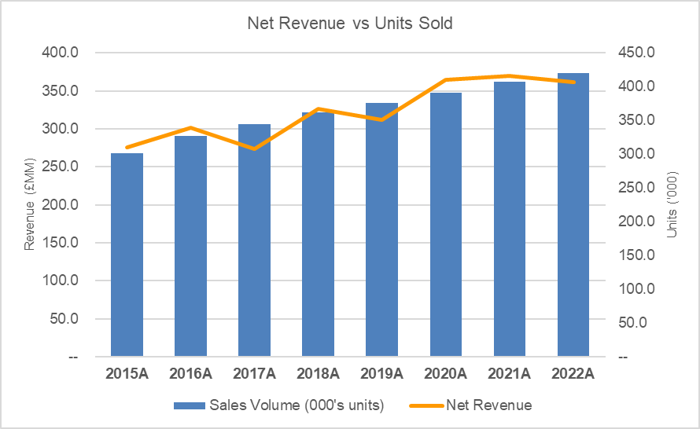
 |  |  | Chart here

Charts - A
Charts

 | Excel has an extensive array of chart options, accessible via INSERT>CHARTS
 |  | Replicate what you see in the screenshots below
 |  | Tip: To snap chart to the grid (to cell), click on the chart, press Alt+drag cursor to edge of snap cell(s) [vertrical and/or horizontal alignment with column and row edges).

 | Line charts

 |  |  | Income Statement | 2018A | 2019A | 2020A | 2021A | 2022A
 |  |  | Sales | 12,005,769 | 13,206,346 | 17,168,250 | 16,481,520 | 18,129,672
 |  |  | EBITDA | 6,603,173 | 6,603,173 | 8,069,077 | 9,724,097 | 13,597,254
Sales vs EBITDA Progression (2018-2022)
Sales vs EBITDA Progression (2018-2022)

 |  |  | Chat here |  |  |  |  |  |  | Chat here

 | Value distribution charts (pie chart)
Widgets Sector: Market share (Sales ($MM) & percentage of market)
Widgets Sector: Market share (Percentage of sales)
 |  | Widgets sector: Market share
 |  | Sector | Sales ($MM)
 |  | Company A | 366.1 |  |  | Chat here |  |  |  |  |  |  | Chat here
 |  | Company B | 183.3
 |  | Company C | 403.3
 |  | Company D | 651.9
 |  | Company E | 93.7
 |  | Others | 67.4
 |  | Total | 1,765.7

 | Bar charts

 |  |  | Sales by product range: Historical & Forecast ($MM)
 |  |  | Product ranges | 2018A | 2019A | 2020A | 2021A | 2022A
 |  |  | Product 1 | 6,002,885 | 5,282,538 | 7,725,713 | 10,383,358 | 13,959,847
 |  |  | Product 2 | 3,301,587 | 2,641,269 | 3,631,085 | 6,126,181 | 10,469,886
 |  |  | Product 3 | 2,701,298 | 1,901,714 | 3,128,914 | 5,887,364 | 9,674,174
 |  |  | Product 4 | 1,650,793 | 1,056,508 | 1,633,988 | 3,859,494 | 8,061,812
 |  |  | Total | 13,656,562 | 10,882,029 | 16,119,699 | 26,256,397 | 42,165,719

Sales by product range
 |  |  | Chat here

 | Stacked bar charts (values and percentages)

 |  | Stacked bars - Vertical
 |  | Sales by product range: Historical & Forecast ($MM)

 |  | Product ranges | 2018A | 2019A | 2020A | 2021A | 2022A
 |  | Product 1 | 6,002,885 | 5,282,538 | 7,725,713 | 10,383,358 | 13,959,847
 |  | Product 2 | 3,301,587 | 2,641,269 | 3,631,085 | 6,126,181 | 10,469,886
 |  | Product 3 | 2,701,298 | 1,901,714 | 3,128,914 | 5,887,364 | 9,674,174
 |  | Product 4 | 1,650,793 | 1,056,508 | 1,633,988 | 3,859,494 | 8,061,812
 |  | Total | 13,656,562 | 10,882,029 | 16,119,699 | 26,256,397 | 42,165,719

Sales by product range ($MM)
Sales distribution by product range (%)
 |  |  | Chat here |  |  |  |  |  |  |  | Chat here

 |  | Stacked bars - Horizontal
 |  | Monthly Operating Profit/(Loss) ($MM)

 |  | Month | Americas | Europe | MEA | Asia
 |  | Jan | 8.9 | 9.4 | 5.5 | 6.2
 |  | Feb | 6.9 | 9.9 | 8.0 | 4.1
 |  | Mar | 8.6 | 6.0 | 9.0 | 7.4
 |  | Apr | 2.4 | 0.8 | 0.3 | 2.1
 |  | May | 8.7 | 0.4 | 12.0 | 8.2
 |  | Jun | 3.9 | 8.0 | 1.0 | 1.6
 |  | Jul | 1.4 | 10.2 | 9.7 | 10.1
 |  | Aug | 11.8 | 9.3 | 8.7 | 8.2
 |  | Sep | 2.4 | 9.0 | 7.5 | 4.5
 |  | Oct | 5.8 | 9.7 | 7.9 | 6.5
 |  | Nov | 3.6 | 2.3 | 9.2 | 1.4
 |  | Dec | 8.4 | 9.3 | 9.4 | 4.4

Monthly Operating Profit/(Loss) ($MM)
 |  |  | Chat here

 | 2 axis charts

 |  |  | Income Statement |  | 2015A | 2016A | 2017A | 2018A | 2019A | 2020A | 2021A | 2022A

 |  |  | Sales Volume (000's units) |  | 301.9 | 327.5 | 344.5 | 361.7 | 376.1 | 391.2 | 406.8 | 420.0

 |  |  | Core products |  | 244.8 | 269.3 | 239.2 | 289.3 | 272.7 | 322.7 | 325.5 | 315.0
 |  |  | Others |  | 31.3 | 32.7 | 34.4 | 36.9 | 39.1 | 41.5 | 44.3 | 46.8
 |  |  | Net Revenue |  | 276.1 | 302.0 | 273.6 | 326.2 | 311.8 | 364.2 | 369.7 | 361.8
 |  |  | Cost of Sales |  | (159.9) | (164.6) | (167.9) | (174.7) | (182.5) | (190.7) | (200.4) | (209.6)
 |  |  | Gross Margin |  | 116.2 | 137.4 | 105.7 | 151.5 | 129.3 | 173.5 | 169.4 | 152.3
 |  |  | SG&A |  | (3.4) | (3.6) | (3.8) | (3.9) | (4.0) | (4.1) | (4.2) | (4.3)
 |  |  | EBITDA |  | 112.8 | 133.8 | 101.9 | 147.6 | 125.4 | 169.5 | 165.2 | 148.0
 |  |  | Depreciation |  | (15.4) | (15.5) | (15.8) | (16.2) | (16.7) | (17.3) | (17.9) | (18.5)
 |  |  | EBIT |  | 97.4 | 118.3 | 86.1 | 131.5 | 108.6 | 152.2 | 147.3 | 129.5
 |  |  | Interest Expense |  | (15.0) | (15.0) | (14.0) | (11.2) | (9.9) | (8.4) | (6.7) | (5.2)
 |  |  | Profit/(Loss) bef. Tax |  | 82.4 | 103.3 | 72.1 | 120.2 | 98.8 | 143.8 | 140.6 | 124.3
 |  |  | Current Inc. Taxes |  | (1.0) | (1.0) | (1.0) | (1.0) | (1.0) | (1.0) | (1.0) | (1.0)
 |  |  | Deferred Inc. Taxes |  | (1.0) | (1.0) | (1.0) | (1.0) | (1.0) | (1.0) | (1.0) | (1.0)
 |  |  | Net Income |  | 80.4 | 101.3 | 70.1 | 118.2 | 96.8 | 141.8 | 138.6 | 122.3

 |  |  | Chart title: | Net Revenue vs Units Sold

Net Revenue vs Units Sold
 |  |  | Chat here

